Sheet1
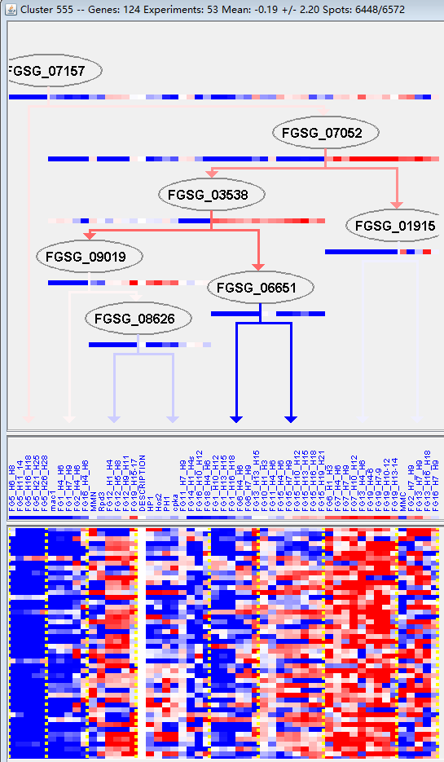
k | Filter | FUNCTIONAL CATEGORY | abs SET | rel SET | genes SET | abs GENOME | rel GENOME | rel SET/rel GENOME | P-VALUE | Bonferroni_corr | FDR
01.06 lipid, fatty acid and isoprenoid metabolism | 19 | 16.5 | FGSG_00050 FGSG_01832 FGSG_04333 FGSG_04092 FGSG_03648 FGSG_03546 FGSG_03285 FGSG_03244 FGSG_03163 FGSG_03072 FGSG_06784 FGSG_07890 FGSG_08809 FGSG_09093 FGSG_09122 FGSG_10474 FGSG_13962 FGSG_13963 FGSG_11413 | 850 | 6.14 | 2.687296417 | 7.03E-05
01.20.05 metabolism of acetic acid derivatives | 5 | 4.34 | FGSG_01832 FGSG_03546 FGSG_03340 FGSG_03245 FGSG_13962 | 56 | 0.4 | 10.85 | 9.94E-05
20.03 transport facilities | 16 | 13.9 | FGSG_00219 FGSG_03460 FGSG_03369 FGSG_03306 FGSG_03032 FGSG_04709 FGSG_04731 FGSG_04943 FGSG_05839 FGSG_07587 FGSG_08309 FGSG_13426 FGSG_09335 FGSG_10474 FGSG_11088 FGSG_11275 | 808 | 5.84 | 2.380136986 | 0.001040683
32.07 detoxification | 12 | 10.4 | FGSG_04092 FGSG_03163 FGSG_03032 FGSG_04709 FGSG_06554 FGSG_06649 FGSG_07685 FGSG_08809 FGSG_08309 FGSG_09122 FGSG_09335 FGSG_11275 | 520 | 3.76 | 2.765957447 | 0.001287787
01.06.05 fatty acid metabolism | 6 | 5.21 | FGSG_01832 FGSG_03546 FGSG_03244 FGSG_13962 FGSG_13963 FGSG_11413 | 157 | 1.13 | 4.610619469 | 0.001982252
01.20 secondary metabolism | 13 | 11.3 | FGSG_01832 FGSG_12082 FGSG_04334 FGSG_03546 FGSG_03340 FGSG_03245 FGSG_03244 FGSG_03163 FGSG_04732 FGSG_07908 FGSG_08809 FGSG_09122 FGSG_13962 | 627 | 4.53 | 2.494481236 | 0.002110587
20.09.18.07 non-vesicular cellular import | 8 | 6.95 | FGSG_00219 FGSG_03369 FGSG_03306 FGSG_04943 FGSG_05839 FGSG_07587 FGSG_10474 FGSG_11275 | 278 | 2.01 | 3.457711443 | 0.002234627
01.05 C-compound and carbohydrate metabolism | 23 | 20 | FGSG_01832 FGSG_12082 FGSG_04334 FGSG_04092 FGSG_03648 FGSG_03369 FGSG_03311 FGSG_03285 FGSG_03244 FGSG_03194 FGSG_03163 FGSG_03014 FGSG_12548 FGSG_04732 FGSG_06598 FGSG_06612 FGSG_07685 FGSG_07908 FGSG_09093 FGSG_09122 FGSG_10474 FGSG_11098 FGSG_13963 | 1547 | 11.1 | 1.801801802 | 0.003934432
20.09.18 cellular import | 11 | 9.56 | FGSG_00219 FGSG_03369 FGSG_03306 FGSG_03014 FGSG_04943 FGSG_05839 FGSG_07587 FGSG_13426 FGSG_10474 FGSG_13962 FGSG_11275 | 519 | 3.75 | 2.549333333 | 0.003946882
20.01 transported compounds (substrates) | 23 | 20 | FGSG_00219 FGSG_04468 FGSG_04092 FGSG_03460 FGSG_03369 FGSG_03306 FGSG_03032 FGSG_03014 FGSG_02950 FGSG_04709 FGSG_04731 FGSG_04943 FGSG_05839 FGSG_07587 FGSG_07685 FGSG_08809 FGSG_08309 FGSG_13426 FGSG_09078 FGSG_09335 FGSG_10474 FGSG_11088 FGSG_11275 | 1597 | 11.5 | 1.739130435 | 0.005811325
20.03.02 carrier (electrochemical potential-driven transport) | 5 | 4.34 | FGSG_03369 FGSG_04709 FGSG_09335 FGSG_10474 FGSG_11088 | 142 | 1.02 | 4.254901961 | 0.006627393
32 CELL RESCUE, DEFENSE AND VIRULENCE | 21 | 18.2 | FGSG_04092 FGSG_03340 FGSG_03245 FGSG_03194 FGSG_03163 FGSG_03032 FGSG_12548 FGSG_04709 FGSG_04731 FGSG_06554 FGSG_06612 FGSG_06649 FGSG_07685 FGSG_07792 FGSG_07908 FGSG_08809 FGSG_08309 FGSG_09122 FGSG_09335 FGSG_11088 FGSG_11275 | 1452 | 10.5 | 1.733333333 | 0.008109963
01 METABOLISM | 40 | 34.7 | FGSG_00050 FGSG_01832 FGSG_12082 FGSG_04334 FGSG_04333 FGSG_04092 FGSG_03648 FGSG_03546 FGSG_03369 FGSG_03340 FGSG_03311 FGSG_03285 FGSG_03245 FGSG_03244 FGSG_03194 FGSG_03163 FGSG_03072 FGSG_03014 FGSG_12548 FGSG_04732 FGSG_06598 FGSG_06612 FGSG_06784 FGSG_07678 FGSG_07685 FGSG_07775 FGSG_07890 FGSG_07908 FGSG_08809 FGSG_13426 FGSG_09093 FGSG_09122 FGSG_10474 FGSG_11098 FGSG_11457 FGSG_13962 FGSG_13963 FGSG_11413 FGSG_11398 FGSG_11275 | 3402 | 24.6 | 1.410569106 | 0.009068956
32.05 disease, virulence and defense | 10 | 8.69 | FGSG_03340 FGSG_03245 FGSG_03032 FGSG_12548 FGSG_04731 FGSG_06612 FGSG_07792 FGSG_08809 FGSG_08309 FGSG_09122 | 507 | 3.66 | 2.37431694 | 0.009632586
34.01.01 homeostasis of cations | 7 | 6.08 | FGSG_03245 FGSG_03032 FGSG_06649 FGSG_08309 FGSG_10474 FGSG_11088 FGSG_11275 | 290 | 2.09 | 2.909090909 | 0.010628863
02.25 oxidation of fatty acids | 3 | 2.6 | FGSG_03546 FGSG_03244 FGSG_13962 | 56 | 0.4 | 6.5 | 0.01128495
20.01.07 amino acid/amino acid derivatives transport | 4 | 3.47 | FGSG_04468 FGSG_02950 FGSG_04943 FGSG_09078 | 120 | 0.86 | 4.034883721 | 0.017841607
01.20.05.11 metabolism of polyketides | 2 | 1.73 | FGSG_03340 FGSG_03245 | 26 | 0.18 | 9.611111111 | 0.019569855
20.01.03 C-compound and carbohydrate transport | 7 | 6.08 | FGSG_03369 FGSG_03306 FGSG_03014 FGSG_04731 FGSG_05839 FGSG_07587 FGSG_10474 | 332 | 2.4 | 2.533333333 | 0.020860815
34.01 homeostasis | 7 | 6.08 | FGSG_03245 FGSG_03032 FGSG_06649 FGSG_08309 FGSG_10474 FGSG_11088 FGSG_11275 | 336 | 2.43 | 2.502057613 | 0.022102749
20.03.02.03 antiporter | 3 | 2.6 | FGSG_04709 FGSG_09335 FGSG_11088 | 75 | 0.54 | 4.814814815 | 0.024548957
32.10 degradation / modification of foreign (exogenous) compounds | 3 | 2.6 | FGSG_03194 FGSG_07685 FGSG_09122 | 77 | 0.55 | 4.727272727 | 0.026280421
01.20.17.09 metabolism of alkaloids | 2 | 1.73 | FGSG_12082 FGSG_04732 | 31 | 0.22 | 7.863636364 | 0.027257759
16.21 complex cofactor/cosubstrate/vitamine binding | 9 | 7.82 | FGSG_01832 FGSG_12082 FGSG_04092 FGSG_03648 FGSG_03546 FGSG_03285 FGSG_06554 FGSG_07685 FGSG_07908 | 514 | 3.71 | 2.107816712 | 0.027496172
32.07.05 detoxification by export | 4 | 3.47 | FGSG_03032 FGSG_04709 FGSG_08309 FGSG_09335 | 139 | 1 | 3.47 | 0.028720849
34.01.01.01 homeostasis of metal ions (Na, K, Ca etc.) | 5 | 4.34 | FGSG_03245 FGSG_03032 FGSG_08309 FGSG_11088 FGSG_11275 | 208 | 1.5 | 2.893333333 | 0.029816804
34.11.12 perception of nutrients and nutritional adaptation | 3 | 2.6 | FGSG_04468 FGSG_02950 FGSG_09078 | 88 | 0.63 | 4.126984127 | 0.036941595
32.05.05 virulence, disease factors | 5 | 4.34 | FGSG_03340 FGSG_12548 FGSG_04731 FGSG_07792 FGSG_08809 | 222 | 1.6 | 2.7125 | 0.037860048
20 CELLULAR TRANSPORT, TRANSPORT FACILITIES AND TRANSPORT ROUTES | 24 | 20.8 | FGSG_00219 FGSG_04468 FGSG_04092 FGSG_03460 FGSG_03369 FGSG_03306 FGSG_03032 FGSG_03014 FGSG_02950 FGSG_04709 FGSG_04731 FGSG_04943 FGSG_05839 FGSG_07587 FGSG_07685 FGSG_08809 FGSG_08309 FGSG_13426 FGSG_09078 FGSG_09335 FGSG_10474 FGSG_11088 FGSG_13962 FGSG_11275 | 2007 | 14.5 | 1.434482759 | 0.039909551
16.21.07 NAD/NADP binding | 5 | 4.34 | FGSG_01832 FGSG_03648 FGSG_03285 FGSG_07685 FGSG_07908 | 231 | 1.67 | 2.598802395 | 0.043671478
34 INTERACTION WITH THE ENVIRONMENT | 12 | 10.4 | FGSG_04468 FGSG_03245 FGSG_03032 FGSG_02950 FGSG_06649 FGSG_07908 FGSG_08309 FGSG_09078 FGSG_10474 FGSG_11088 FGSG_11398 FGSG_11275 | 832 | 6.01 | 1.730449251 | 0.04375998

01.06脂类、脂肪酸及异戊酸代谢
01.20.05乙酸衍生物的代谢

